Legal
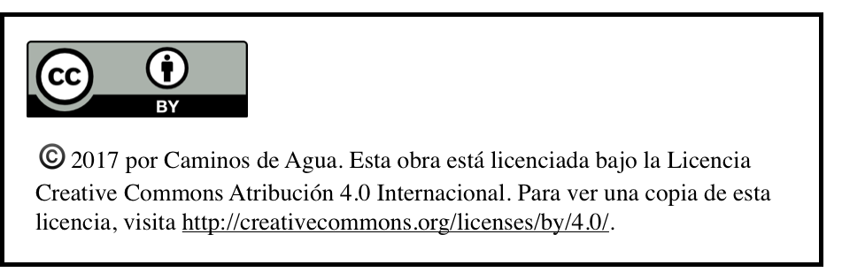

Water Quality Monitoring Dataset by Caminos de Agua is licensed under a Creative Commons Attribution 4.0 International License.
Based on a work at https://caminosdeagua.github.io/Independence-Watershed-Point-Map-English/data/wqm_dataset.js

